Sheet1
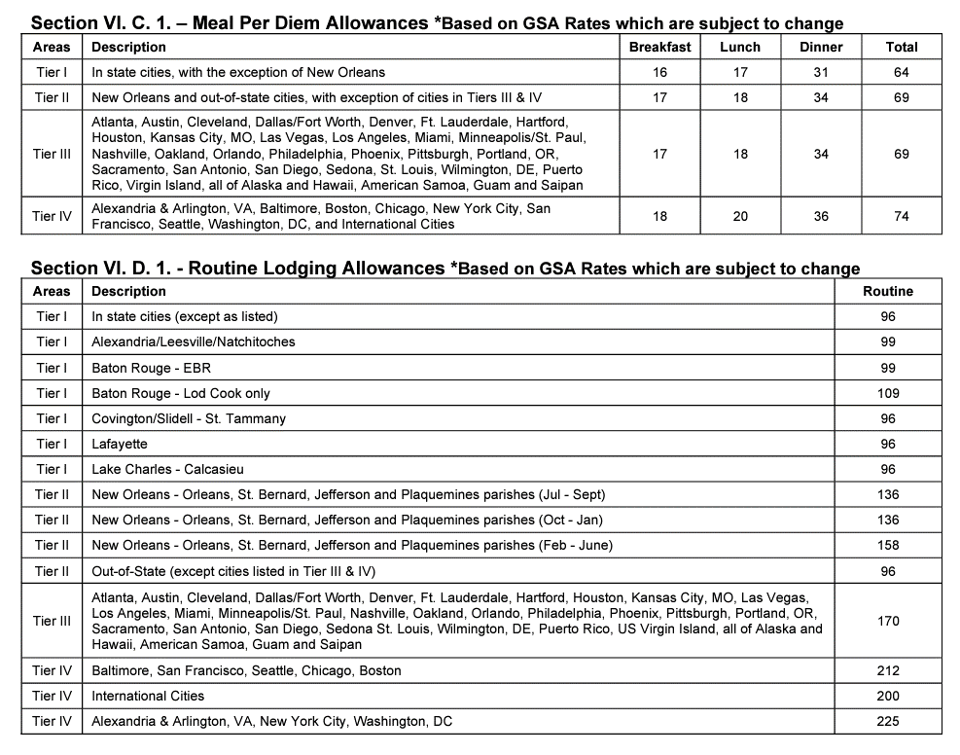
Budget Summary
Undergraduate Research Travel funds request
Student Name | Example Jones
Student LSU email | ejonesXXX@lsu.edu
Faculty mentor name | Dr. Mary Smith
Destination | Boston, MA
Conference name | American Insttute of Archaeology Annual Meeting
Travel dates | June 1-4th, 2022
Estimated expenses
Expense | cost | quantity | total
Airfare* | $750.00 | 1 | $750.00
Conference fee | $500.00 | 1 | $500.00
Hotel (per night)** | $212.00 | 4 | $848.00
Luggage fee | $25.00 | 2 | $50.00
Taxis | $25.00 | 2 | $50.00
Airport parking | $3.50 | 5 | $17.50
Per diem (meals)** | $74.00 | 5 | $370.00
etc |  |  | $0.00
 |  |  | $0.00
 |  |  | $0.00

Sub-Total: Total estimated costs for travel |  |  | $2,585.50
Report other funding sources here
Type of funding |  | Source of funds | Amount
Student research grant |  | LSU College of Science | $500.00
Travel stipend provided by conference organizer |  | Conference | $400.00
Sub-total: other funding sources |  |  | $900.00
Total amount requested from LSU Discover*** |  |  | $1,000.00
Estimated Total amount student will personally spend on this trip |  |  | $685.50
*All airfare will be purchased through Christofferson Business Travel by an LSU Discover staff member. Airfare purchased outside of Christofferson Business Travel will not be reimbursed.
**Be aware that LSU limits how much we can reimburse for meals and hotel stays. The meal and lodging guide copied at the bottom of this page shows you how much LSU will allow us to reimburse you.
***LSU Discover funding is limited by location: $500 for locations within Louisiana $750 for locations within the continental United States (excluding locations in Louisiana) $1,000 for travel to select locations within continental North America: Alexandria & Arlington, Atlanta, Austin, Baltimore, Boca Raton, Boston, Chicago, Cleveland, Dallas/Fort Worth, Denver, Ft. Lauderdale, Hartford, Houston, Kansas City, MO, Las Vegas, Los Angeles, Miami, Minneapolis/St. Paul, Nashville, New York City, Oakland, CA, Orlando, Philadelphia, Phoenix, Pittsburgh, Portland, OR, Tampa, Sacramento, San Antonio, San Diego, San Francisco, Seattle, Sedona, St. Louis, Washington DC, Wilmington, DE, and all locations within Canada and Mexico. $1,500 for travel to locations outside of continental North America $500 for virtual conference fees
LSU travel - guide to maximum reimbursement costs:

